Sheet1
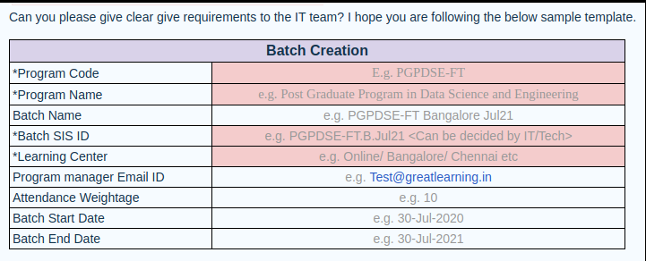

Program Code | IITR - Online - FSD
Program Name | Advanced Certificate Program In Full Stack Development
Batch Name | Advanced Certificate Program In Full Stack Development - Nov 21 A
Batch SIS ID | Requesting IT team to fill up the details
Learning Center | Online
Pragram Manager Email ID | ashwini.d@greatlearning.in
Attendance Weightage | 10%
Batch Start Date | 23-Oct-21
Batch End Date | 8-Nov-22

